ATTACHMENT
RFQ FOR SUPPLY, INSTALLATION, TESTING & COMMISSIONING OF POWER CABLE FROM ALLO OUTDOOR CABINET ( AODC ) TO TNB FEEDER / POWER SOURCE INSIDE PMU 132/33 kV SENDAYAN
 | Page 1 of 2

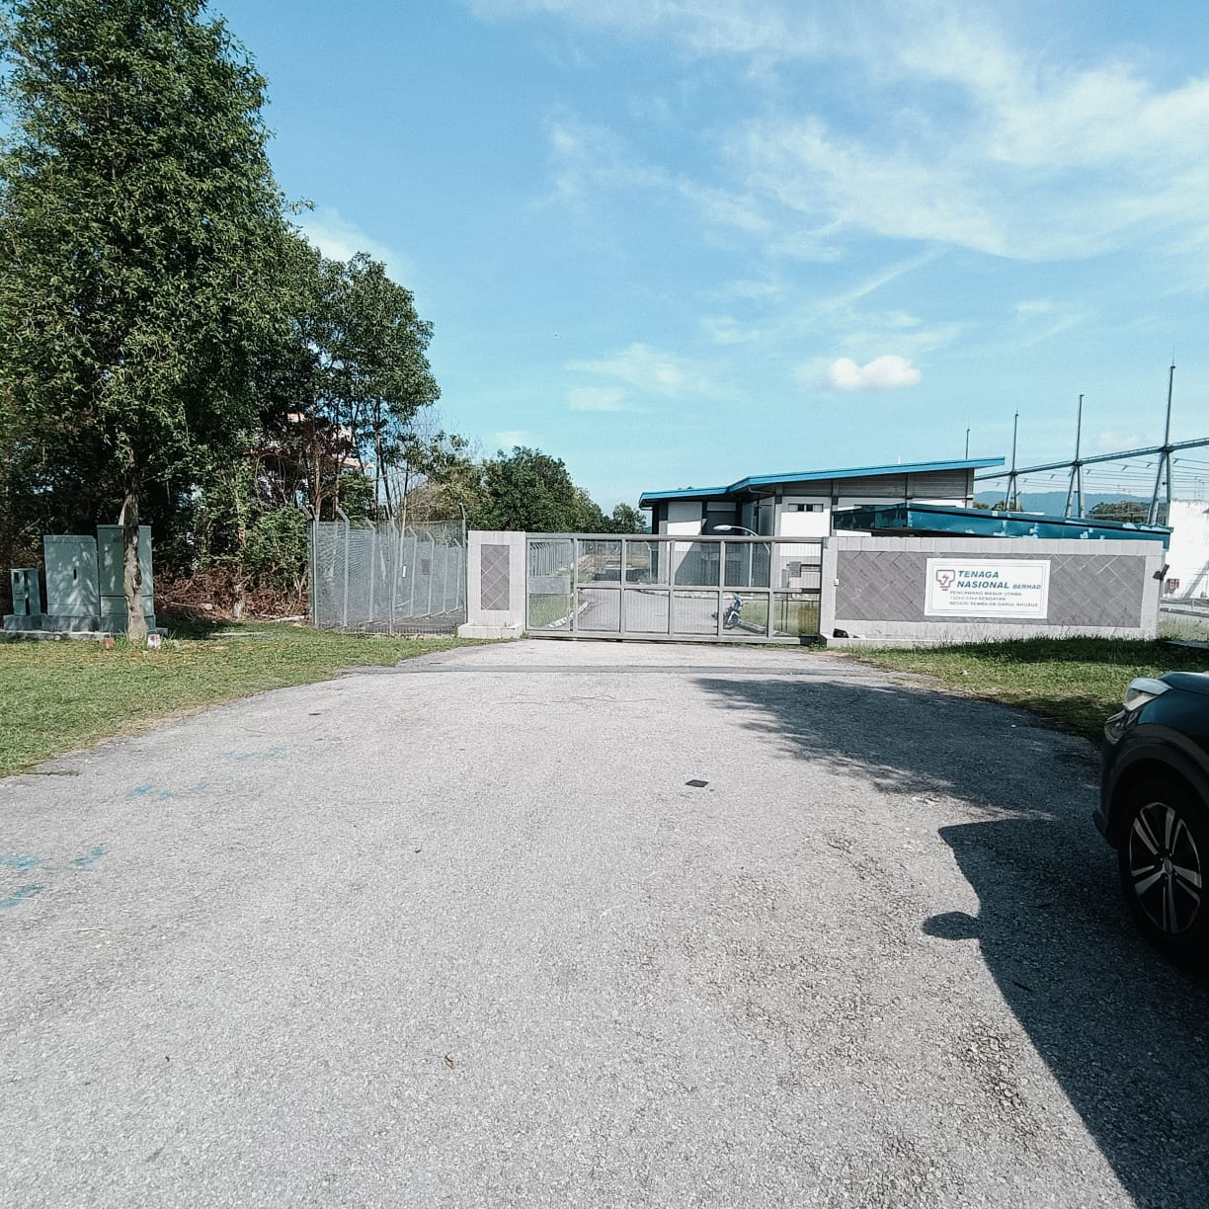

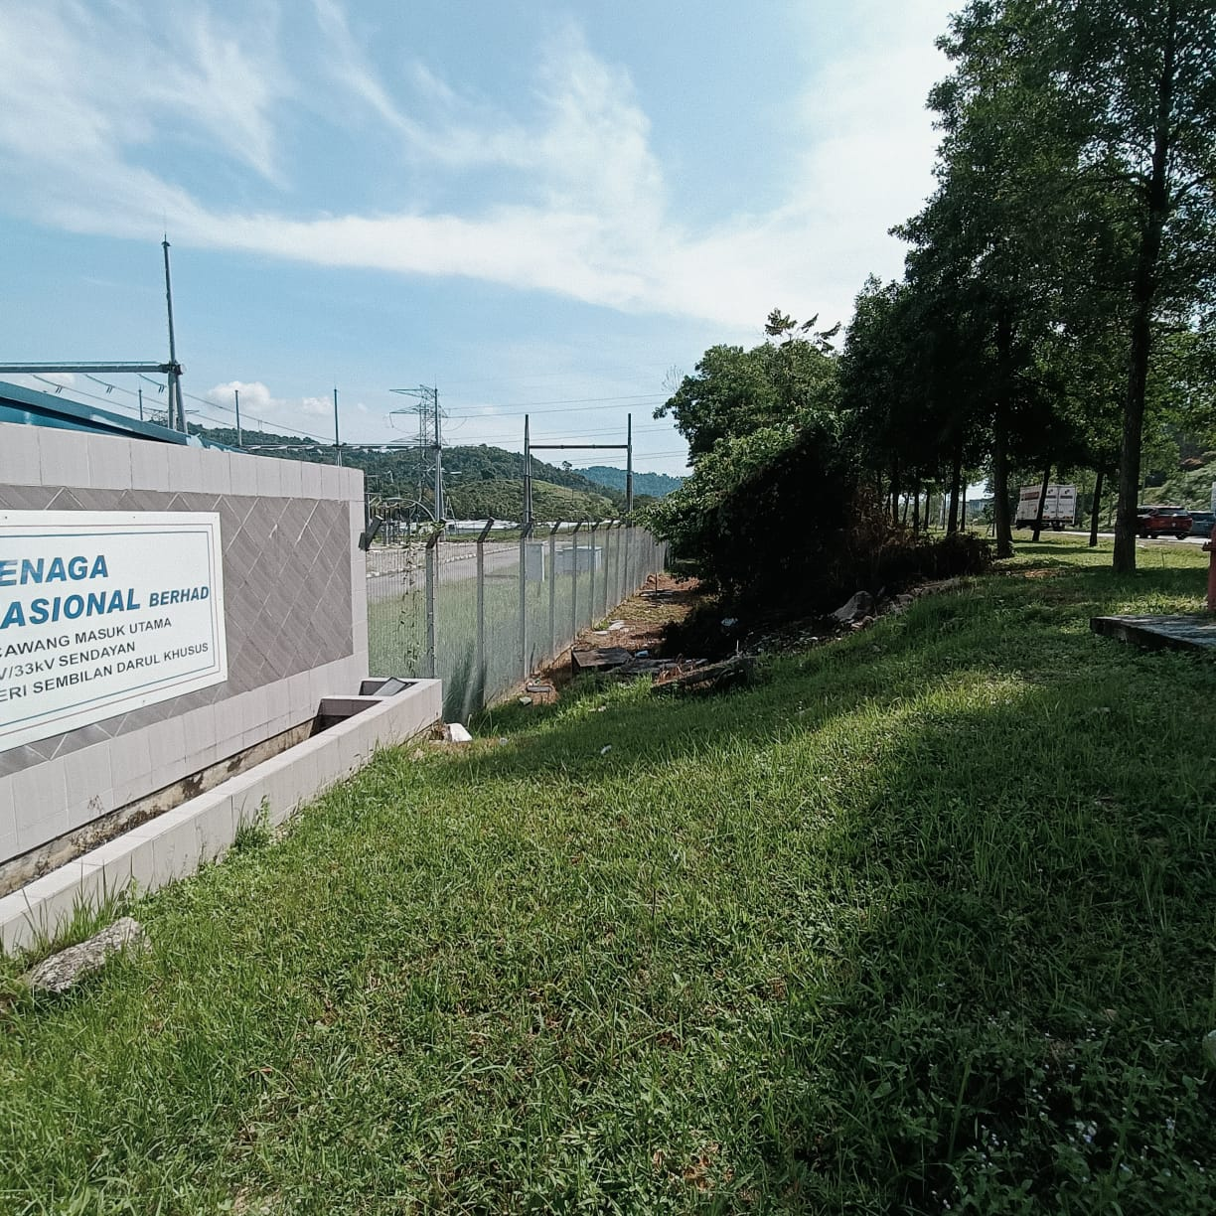

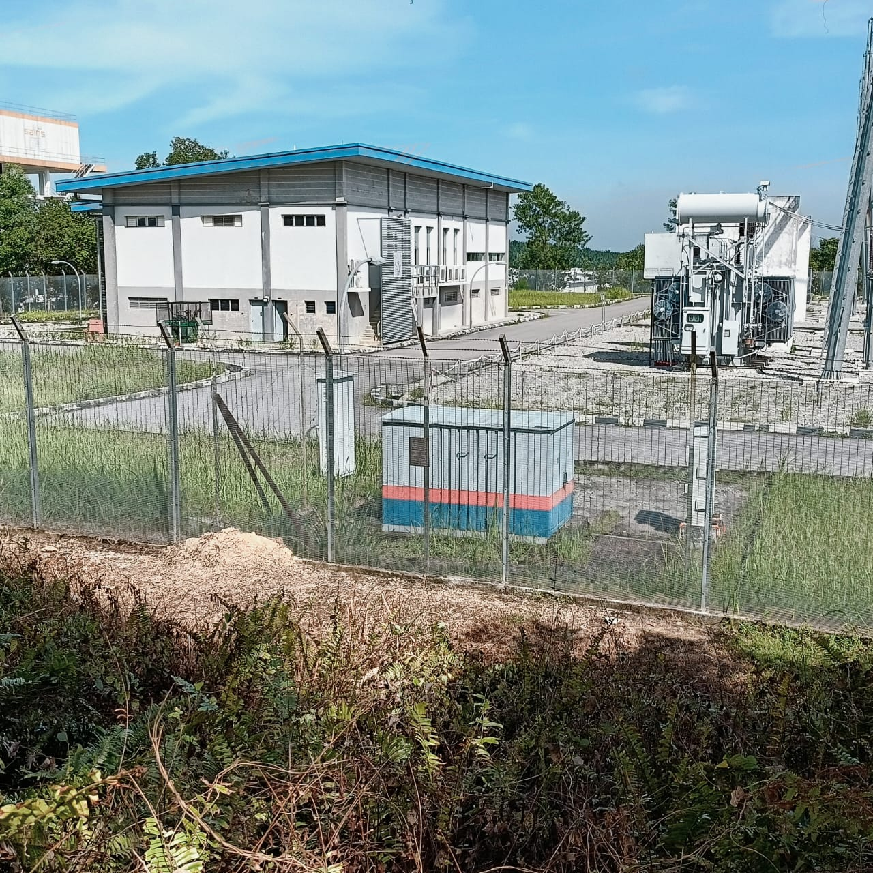

RFQ FOR SUPPLY, INSTALLATION, TESTING & COMMISSIONING OF POWER CABLE FROM ALLO OUTDOOR CABINET ( AODC ) TO TNB FEEDER / POWER SOURCE INSIDE PMU 132/33 kV SENDAYAN
 | Page 2 of 2

POWER CABLE ROUTE FROM TNB METER PANEL ( ODC ) TO TAPPING POINT INSIDE PMU

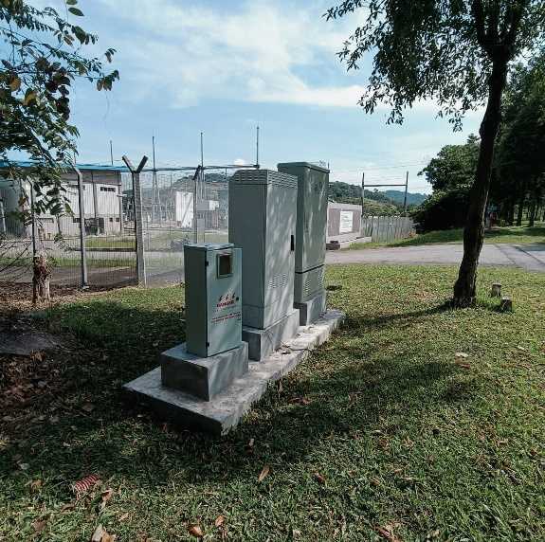
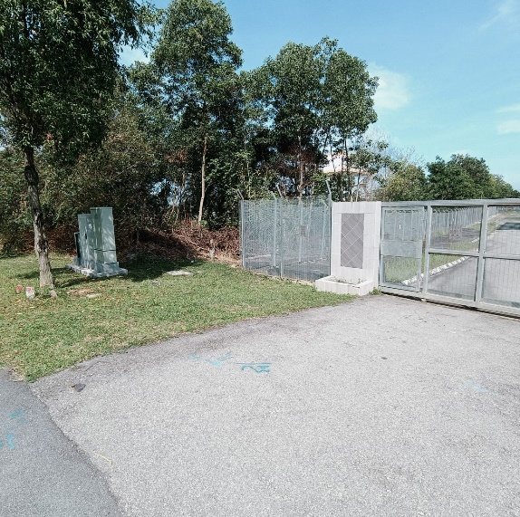

Manual Excavate and Installation of 4inch double wall corrugated pipe with LV cable protection cover

Manual Excavate and Installation of 4inch double wall corrugated pipe with LV cable protection cover

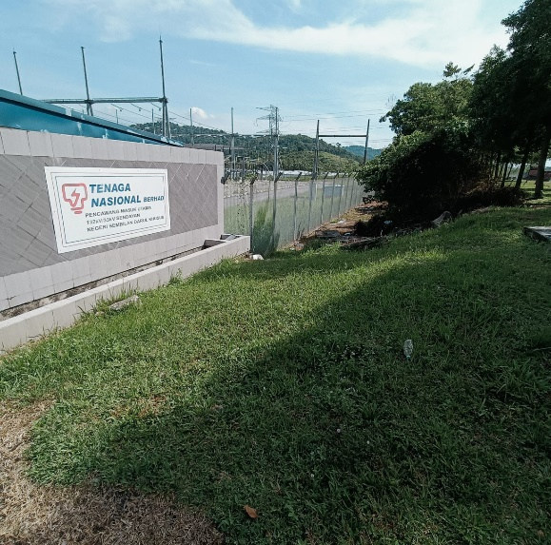
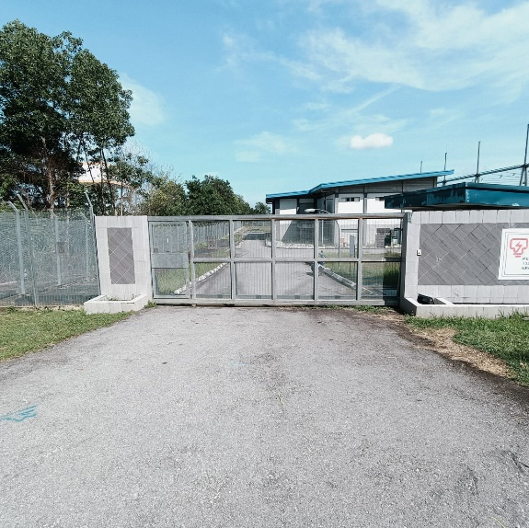

Manual Excavate and Installation of 4inch double wall corrugated pipe with LV cable protection cover

Road cutting and Installation 4 Inch G.I Pipe

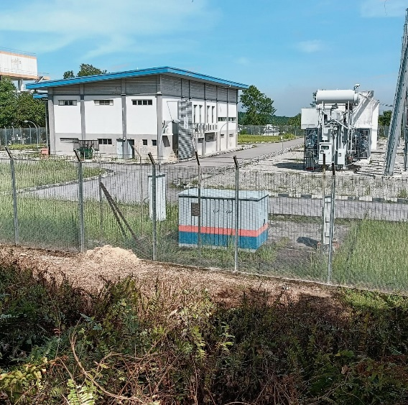
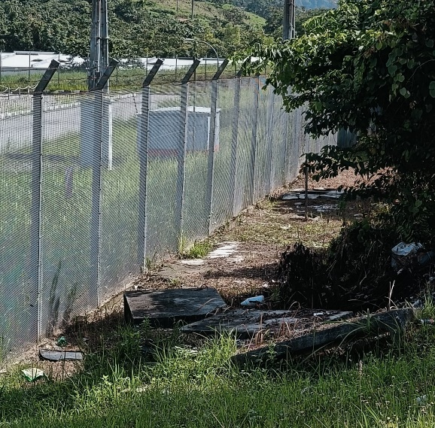
Manual Excavate and Installation of 4inch double wall corrugated pipe with LV cable protection cover
Propose TNB Meter location inside PMU

