Site List - Appendix2
APPENDIX 2
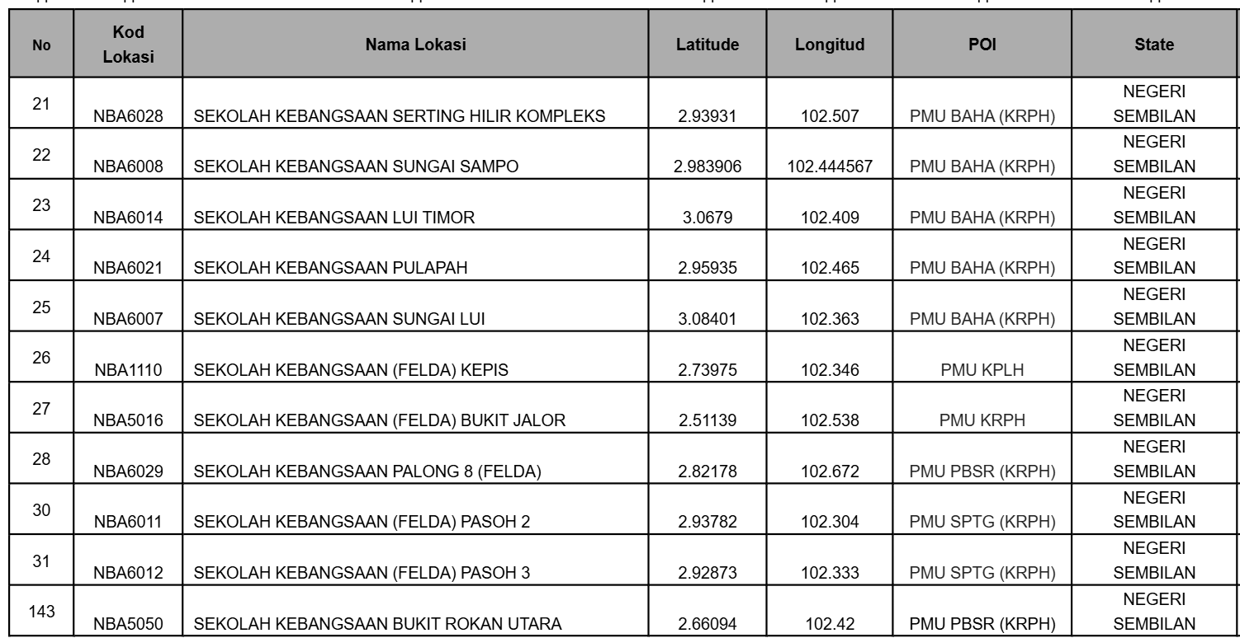

Proposed Diagram - Appendix3
APPENDIX 3
